Masters
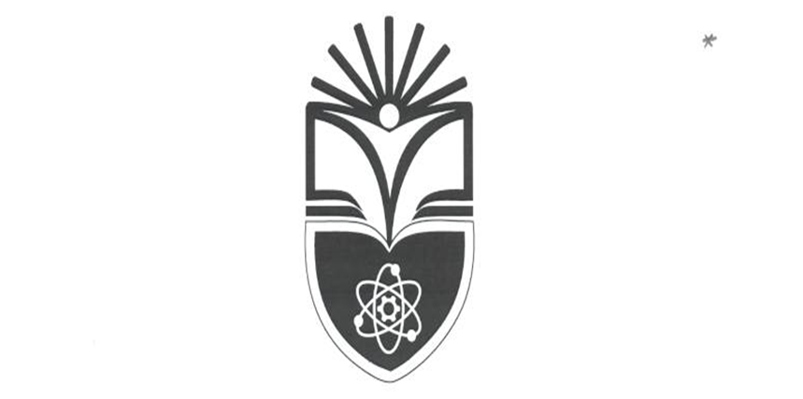
 | APR-JUNE 2023
 | MASTERS IN COMPUTER TECHNOLOGY M-TECH
 | YEAR 2 SEMESTER 2
 | SCHOOL OF COMPUTING AND INFORMATION TECHNOLOGY SCCC 2022/2023

DAY/TIME | MON 6pm-9pm | TUE 6pm-9pm | WED 6pm-9pm | THUR 6pm-9pm | FRI 6pm-9pm
SUB CODE | SCCT
SUBJECT
LECTURER
ROOM | D23/ONLINE | D23/ONLINE | D23/ONLINE | D23/ONLINE

